Sheet1
Name: | Naveen Mathews Renji
CWID: | 20016323

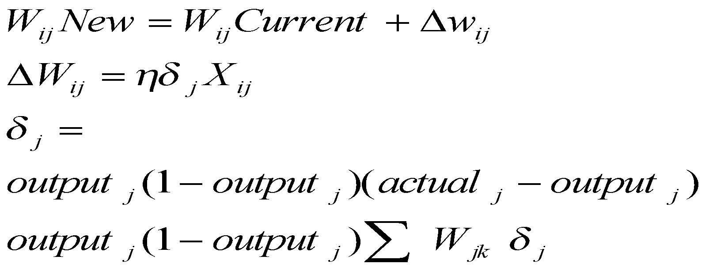

X
 |  |  |  |  |  |  |  |  |  |  |  | 1
XX

Node 1
 |  |  |  |  |  | Predicted = | 0.8731368906 |  | Actual = | 0.85 |  |  |  | 0.5
 | Input | From | To | Weight | Output |  |  |  |  |  |  |  | 0.7
 | 1 | x | A | 0.5 | 0.5 | Learning factor= |  |  | 0.1 |  |  | 0.3 |  |  | 0.5
A
 | 0.3 | Node 1 | A | 0.6 | 0.18 | diff= | Actual - Predicted |  | -0.023
 | 0.6 | Node 2 | A | 0.8 | 0.48 |  |  |  |  |  |  |  |  | 0.6
 | 0.6 | Node 3 | A | 0.6 | 0.36
 | 0.3 | Node 4 | A | 0.2 | 0.06 | Output layer |  |  |  |  |  |  | 0.9 |  | 0.85
Node 2
 |  |  |  |  | 1.58 | .873 *(1-.873)*(.85-.873) |  |  | -0.0025628470158 |  |  |  |  | 0.8 |  | Actual | 0.85
Node z
 |  |  |  |  |  |  |  |  |  |  |  | 0.6 |  |  |  | Predicted | 0.8731
B
 |  |  | Signal | (1/(1+exp(-x))= | 0.829205 | Adjustments |  |  |  |  |  |  | 0.8 | 0.6
 |  |  |  |  |  | From | To | Flow | Adjustment | Old Weight | New Weight |  |  |  | 0.85
 |  |  |  |  |  | xx | x | 1 | -0.00025628470158 | 0.5 | 0.4997437153
Node 3
 |  |  |  |  |  | A | x | 0.83 | -0.00021251243244 | 0.85 | 0.84978748757 | 0.6 | 0.4
 | Input | From | To | Weight | Output | B | x | 0.85 | -0.00021834246961 | 0.85 | 0.84978165753
Node 4
 | 1 | x | B | 0.7 | 0.7 |  |  |  |  |  |  |  | 0.2
 | 0.3 | Node 1 | B | 0.9 | 0.27
 | 0.6 | Node 2 | B | 0.8 | 0.48 |  |  |  |  |  |  | 0.3 | 0.2
 | 0.6 | Node 3 | B | 0.4 | 0.24
 | 0.3 | Node 4 | B | 0.2 | 0.06
 |  |  |  |  | 1.75
 |  |  |  |  |  | Hidden layer
 |  |  | Signal | (1/(1+exp(-x))= | 0.851953 | .829205*(1-.829205)*.85*(-.002562847) |  |  |  | -0.00030851738834

 |  |  |  |  |  | From | To | Flow | Adjustment | Old Weight | New Weight
 |  |  |  |  |  | X | A | 1 | -0.00003085 | 0.5 | 0.49996914826
 | Input | From | To | Weight | Output | Node 1 | A | 0.3 | -0.00000926 | 0.6 | 0.59999074448
 | 1 | xx | z | 0.5 | 0.5 | Node 2 | A | 0.6 | -0.00001851 | 0.8 | 0.79998148896
 |  |  |  |  |  | Node 3 | A | 0.6 | -0.00001851 | 0.6 | 0.59998148896
 | 0.82920451798 | A | z | 0.85 | 0.70482384028 | Node 4 | A | 0.3 | -0.00000926 | 0.2 | 0.19999074448
 | 0.85195280197 | B | z | 0.85 | 0.72415988167
 |  |  |  |  | 1.93

 |  |  | Signal | (1/(1+exp(-x))= | 0.873137 | Hidden layer
 |  |  |  |  |  | .851953*(1-.851953)*.85*(-.002562847) |  |  |  | -0.00027476242211

 |  |  |  |  |  | From | To | Flow | Adjustment | Old Weight | New Weight
 |  |  |  |  |  | X | B | 1 | -0.00003085 | 0.7 | 0.69996914826
 |  |  |  |  |  | Node 1 | B | 0.3 | -0.00000926 | 0.9 | 0.89999074448
 |  |  |  |  |  | Node 2 | B | 0.6 | -0.00001851 | 0.8 | 0.79998148896
 |  |  |  |  |  | Node 3 | B | 0.6 | -0.00001851 | 0.4 | 0.39998148896
 |  |  |  |  |  | Node 4 | B | 0.3 | -0.00000926 | 0.2 | 0.19999074448

